Sheet1
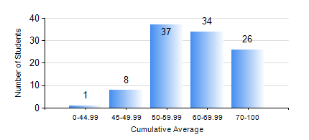
 |  |  | KWAME NKRUMAH UNIVERSITY OF SCIENCE AND TECHNOLOGY, KUMASI Department of Chemical Engineering

 |  |  | BSC. PETROCHEMICAL ENG.

 |  |  | COMPREHENSIVE RECORD OF EXAMINATION RESULTS

 |  |  | RESULTS OF YEAR 4 SECOND SEMESTER, 2024/2025 ACADEMIC YEAR

 | Sn | Course Code |  | Course Name | Credit Hours | Min. Mark | Max. Mark | Avg. Mark | Std. Dev. | No. Passed | No. Trailed | No. (Df) | No. (I) | No. (I*) | No. Tagged(I,I*,Df) | Total
 | 0. |  |  |  |  |  |  | 0 | 0 | 0 | 0 | 0 | 0 | 0 | 0 | 3
 | 1. | CHE 456 |  | PROCESS CONTROL AND SIMULATION | 3 | 28 | 78 | 55 | 9.54 | 102 | 1 | 0 | 0 | 0 | 0 | 103
 | 2. | CHE 458 |  | ENTREPRENEURSHIP AND BUSINESS DEVELOPMENT | 3 | 76 | 97 | 89 | 3.81 | 103 | 0 | 0 | 0 | 0 | 0 | 103
 | 3. | CHE 464 |  | ADSORPTION SEPARATION PROCESS TECHNOLOGY | 2 | 17 | 93 | 57 | 18.81 | 48 | 5 | 0 | 0 | 0 | 0 | 53
 | 4. | MSE 356 |  | ENGINEERING PROPERTIES OF POLYMERS | 2 | 41 | 74 | 60 | 8.87 | 50 | 0 | 0 | 0 | 0 | 0 | 50
 | 5. | PCE 450 |  | PETROLEUM REFINING ENGINEERING | 2 | 43 | 90 | 66 | 10.34 | 103 | 0 | 0 | 0 | 0 | 0 | 103
 | 6. | PCE 452 |  | FIELD TRIP AND INDUSTRIAL ATTACHMENT | 2 | 61 | 77 | 69 | 3.37 | 103 | 0 | 0 | 0 | 0 | 0 | 103
 | 7. | PCE 454 |  | PROJECT II | 5 | 14 | 91 | 72 | 11.25 | 101 | 2 | 0 | 0 | 0 | 0 | 103

